PO
Purchase Order
EXPORTER : |  |  | SHIP TO :
XXXXXXXXX
REPRESENTATIVE OF EXPORTER :

Details |  | Information
Date: XXXXXX
Reference: PO-BEY-XXXX
Payment Terms: 100% Cash Advance |  | Packing: In Container
Shipment Mode: |  | Loading : Shanghai, China
Shipment Terms: Ex Factory |  | Discharge : Shanghai, China

Description |  | Qty | Unit | Unit Price | Amount
Stainless Steel Mining Equipment |  | 240 | Sets | AED 443.36 | AED 106,407.00
Alloy / Aluminium Automation Equipment |  | 350 | Sets | AED 405.36 | AED 141,876.00
Textile Finishing Equipment Component |  | 520 | Sets | AED 341.05 |  | AED 177,345.00

Amount In Words: |  |  |  | Subtotal | AED 425,628.00
Four Hundred Twenty-Five Thousand Six Hundred Twenty-Eight Dirhams Only |  |  |  | Others | -
 |  |  |  | Total Amount | AED 425,628.00
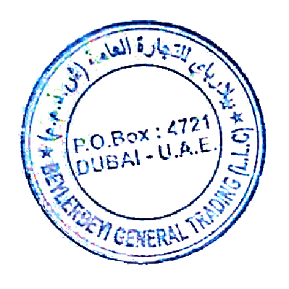

 | Authorized By:

